Conversion Chart
 |  |  | Easy Conversion Chart: BE3-49R (3 Input), (6 Input)
 |  |  | To
 |  |  | ES-49
This simple chart is designed to help you choose the appropriate ES style configuration with the same minimum coverage as your BE3. Just match up the color-coded option boxes on the left with those on the right. Option boxes colored black require no selection. For reference, see the product specification style charts on Page 2. For assistance, contact technical support at 618-654-2341.
Enter your BE3 style configuration below to generate new ES style configuration
From |  |  | BE3 Style Configuration |  |  |  |  | To |  |  | ES Style Configuration

BE3 | Model Number | Sensing Input Type | Nominal Input Type | Frequency | External Power | Output Type |  | ES | Model Number | Sensing Input Type | Nominal Input Type | Timing | Frequency | External Power | Option 1 | Option 2 | Option 3
 | 49R-(3 In) |  |  |  |  |  |  |  | 49 |  |  | A
 | 49R-(6 In) |  |  |  |  |  |  |  | 49 |  |  | A
 |  | 5 |  |  |  |  |  |  |  | 5
 |  |  | H |  |  |  |  |  |  |  | H
 |  |  | I |  |  |  |  |  |  |  | I
 |  |  | J |  |  |  |  |  |  |  | J
 |  |  | K |  |  |  |  |  |  |  | K
 |  |  |  | 5 |  |  |  |  |  |  |  |  | 0
 |  |  |  |  | A |  |  |  |  |  |  |  |  | A
 |  |  |  |  | B |  |  |  |  |  |  |  |  | C
 |  |  |  |  | E |  |  |  |  |  |  |  |  | G
 |  |  |  |  |  | 1¹
 |  |  |  |  |  |  |  |  |  |  |  |  |  |  | 0
 |  |  |  |  |  |  |  |  |  |  |  |  |  |  |  | N
 |  |  |  |  |  |  |  |  |  |  |  |  |  |  |  |  | 0
Enter your current BE3 configuration:
BE3 |  | 5 |  | 5 |  | 1 |  | ES |  | 5 |  | A | 0 |  | 0 | N | 0

1 | Output Type is predefined by function for ES. No selection necessary.
2 | Connection diagrams are shown on Page 3 and in Instruction Manual 9500100999.
 |  |  |  | Sample Style Configuration Conversion
 |  |  |  |  |  |  | BE3-49R (3 Input, 6 Input) |  | ES-49

 |  |  |  |  | Model Number, 49R (3 Input) |  | 49R |  | 49 | Model Number, 49
 |  |  |  |  | Sensing Input, RTD |  | 5 |  | 5 | Sensing Input, RTD
 |  |  |  |  | Nominal Input Type, 10 Ω, Copper |  | H |  | H | Nominal Input, 3 Input: 10 Ω, Copper
 |  |  |  |  | Frequency, DC |  | 5 |  | A | Timing, Instantaneous
 |  |  |  |  | External Power, 120 Vac |  | A |  | 0 | Frequency, DC
 |  |  |  |  | Output Type, Energize To Trip |  | 1 |  | A | External Power, 120 Vac
 |  |  |  |  |  |  |  |  | 0 | Option 1, None
 |  |  |  |  |  |  |  |  | N | Option 2, None
 |  |  |  |  |  |  |  |  | 0 | Option 3, None

Some options for the ES have been preselected in the above guide. To insure accuracy, please verify your style configuration using the ES style chart on page 2, referencing Instruction Manual 9500100999 or contacting Technical Support.
BE3-49R Style Number Identification Chart

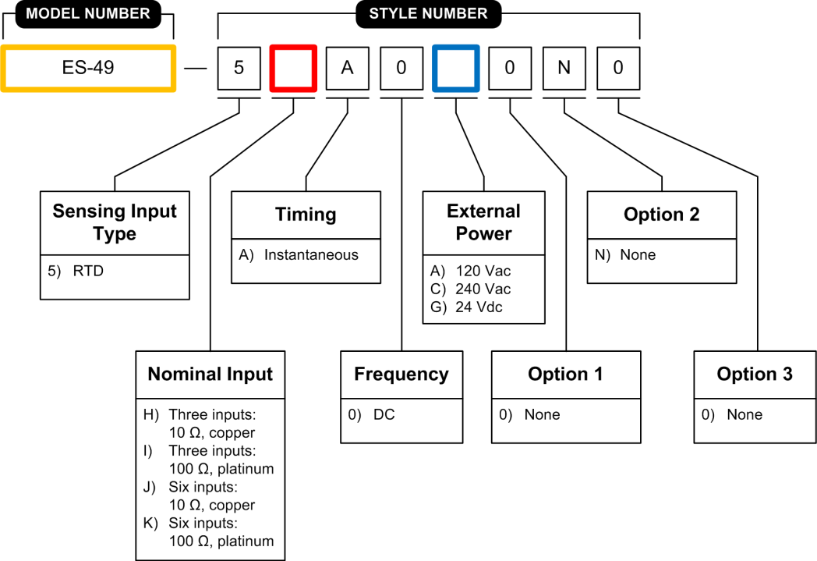
ES-49 Style Number Identification Chart

BE3-49R Connection Diagram
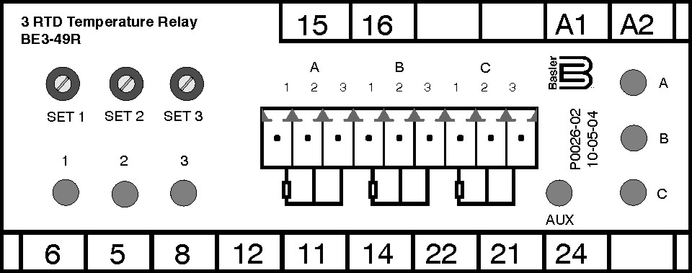

ES-49 Connection Diagram

