Conversion Chart
 |  |  | Easy Conversion Chart: BE3-37, 51, 37/51 |  |  |  |  |  |  |  |  |  |  |  |  |  |  | option2a | option2b | be3sensingA | be3sensingB
 |  |  | To |  |  |  |  |  |  |  |  |  |  |  |  |  |  | N | N | 1 | 1
 |  |  | ES-37, 51, 37/51 |  |  |  |  |  |  |  |  |  |  |  |  |  |  | A |  | 3
This simple chart is designed to help you choose the appropriate ES style configuration with the same minimum coverage as your BE3. Just match up the color-coded option boxes on the left with those on the right. Option boxes colored black require no selection. For reference, see the product specification style charts on Page 2. For assistance, contact technical support at 618-654-2341.
Enter your BE3 style configuration below to generate new ES style configuration
From |  |  | BE3 Style Configuration |  |  |  |  | To |  |  | ES Style Configuration

BE3 | Model Number | Sensing Input Type | Nominal Input Type | Frequency | External Power | Output Type |  | ES | Model Number | Sensing Input Type | Nominal Input Type | Timing | Frequency | External Power | Option 1 | Option 2 | Option 3
 | 37 |  |  |  |  |  |  |  | 37 |  |  | B
 | 51 |  |  |  |  |  |  |  | 51 |  |  | B
 | 37/51 |  |  |  |  |  |  |  | 37/51 |  |  | B
 |  | 1 |  |  |  |  |  |  |  | 1
 |  | 3¹ |  |  |  |  |  |  |  | 3¹
 |  |  | E² |  |  |  |  |  |  |  | G²
 |  |  |  | 1 |  |  |  |  |  |  |  |  | 1
 |  |  |  | 2³ |  |  |  |  |  |  |  |  | na³
 |  |  |  |  | A |  |  |  |  |  |  |  |  | A
 |  |  |  |  | B |  |  |  |  |  |  |  |  | C
 |  |  |  |  | C |  |  |  |  |  |  |  |  | D
 |  |  |  |  | D |  |  |  |  |  |  |  |  | F
 |  |  |  |  | E |  |  |  |  |  |  |  |  | G
 |  |  |  |  |  | 1
 |  |  |  |  |  | 2
 |  |  |  |  |  | 3
 |  |  |  |  |  |  |  |  |  |  |  |  |  |  | 0
 |  |  |  |  |  |  |  |  |  |  |  |  |  |  |  | N
 |  |  |  |  |  |  |  |  |  |  |  |  |  |  |  | A4
 |  |  |  |  |  |  |  |  |  |  |  |  |  |  |  |  | 0
Enter your current BE3 configuration:
BE3 |  |  | E | 1 |  |  |  | ES |  |  | G | B | 1 |  | 0 | N | 0

1 | Sensing Input Type selection 3 not available for ES-37/51.
2 | Nominal Input Type is 5 Aac for ES.
3 | Frequency must be 50/60 Hz for ES. 400 Hz units not available.
4 | Option 2 selection A not available.
5 | ES-37, ES-51 Single Phase Narrow Case Terminals 1, 3 and A1 are shifted left 1 position from BE3 locations. See Instruction Manual 9500100992 for connection diagrams.
6 | ES-37/51 Single Phase Wide Case Terminal A1 is shifted left 1 position from BE3 location. See Instruction Manual 9500100992 for connection diagrams.
7 | ES-37, ES-51 Three Phase Terminals 1, 3, 4, 6, 7, 9 and A1 are shifted left 1 position from BE3 locations. Connection diagrams are shown on Page 3 and in Instruction Manual 9500100992.

 |  |  |  | Sample Style Configuration Conversion
 |  |  |  |  |  |  | BE3-37, 51, 37/51 |  | ES-37, 51, 37/51

 |  |  |  |  | Model Number, 37 |  | 37 |  | 37 | Model Number, 37
 |  |  |  |  | Sensing Input Type, Single Phase |  | 1 |  | 1 | Sensing Input Type, Single Phase
 |  |  |  |  | Nominal Input Type, 5 Aac |  | E |  | G | Nominal Input Type, 5 Aac
 |  |  |  |  | Frequency, 50/60 Hz |  | 1 |  | B | Timing, Adjustable, 0 to 20 seconds
 |  |  |  |  | External Power, 120 Vac |  | A |  | 1 | Frequency, 50/60 Hz
 |  |  |  |  | Output Type, De-energize To Trip (37) |  | 2 |  | A | External Power, 120 Vac
 |  |  |  |  |  |  |  |  | 0 | Option 1, None
 |  |  |  |  |  |  |  |  | N | Option 2, None
 |  |  |  |  |  |  |  |  | 0 | Option 3, None

Some options for the ES have been preselected in the above guide. To insure accuracy, please verify your style configuration using the ES style chart on page 2, referencing Instruction Manual 9500100992 or contacting Technical Support.
BE3-37, BE3-51, BE3-37/51 Style Number Identification Chart
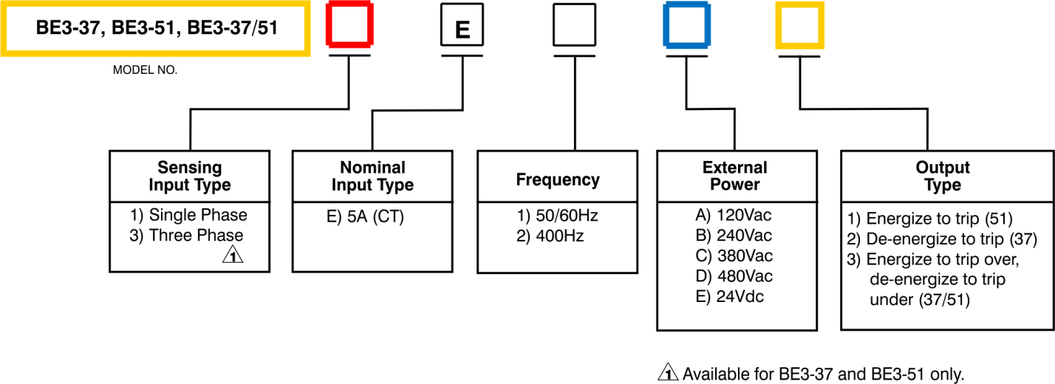

ES-37, ES-51, ES-37/51 Style Number Identification Chart
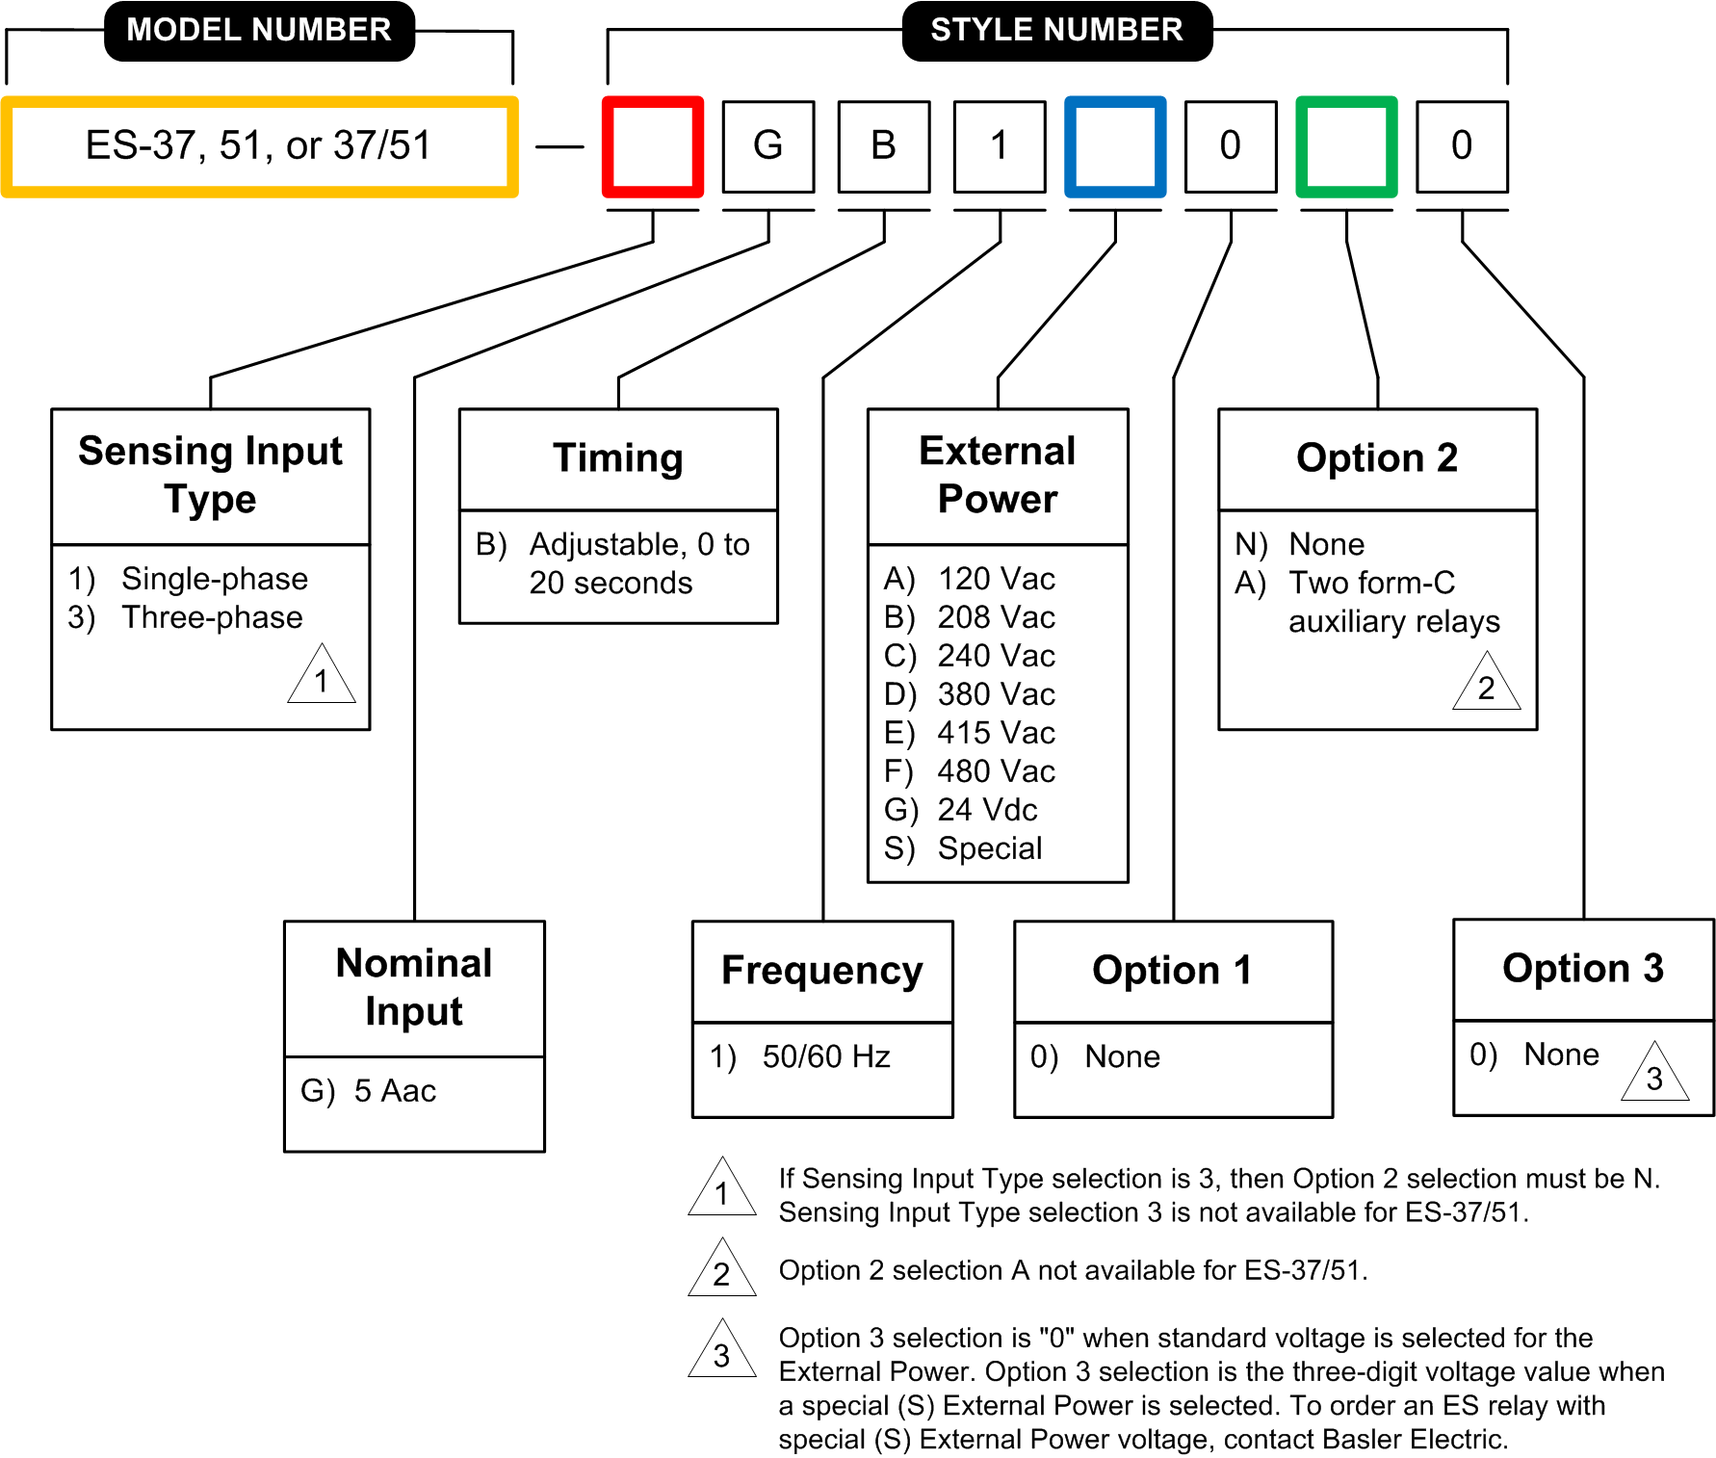

BE3-37/51 Connection Diagram
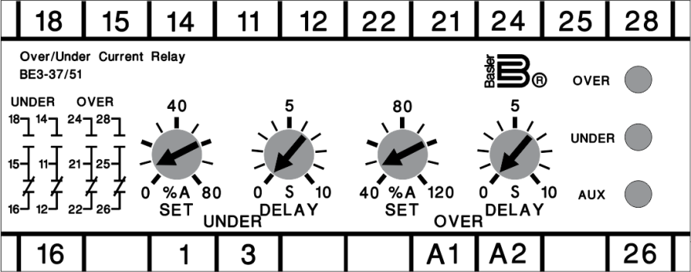

ES-37/51 Connection Diagram

